Sheet2
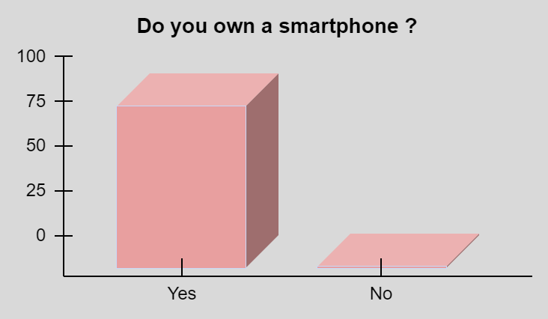
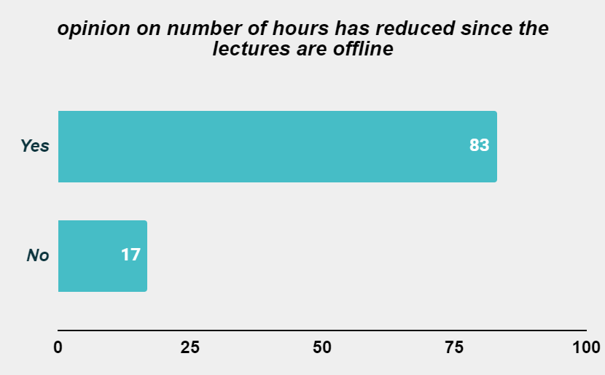
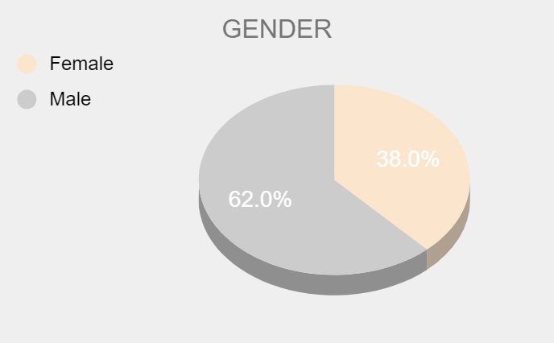
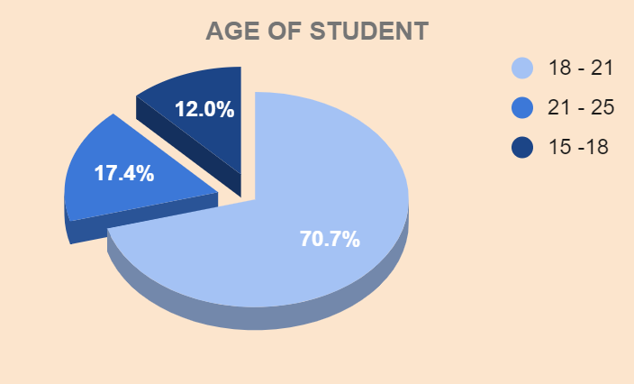
assumption
age
15-18=1
18-21 = 2
21-25 =3
no. of hours
0-2 = 4
2-4 = 5
4-6 = 6
6-8 = 7
8-10 = 8
10-12 = 9
12-14 = 10
14-16 = 11
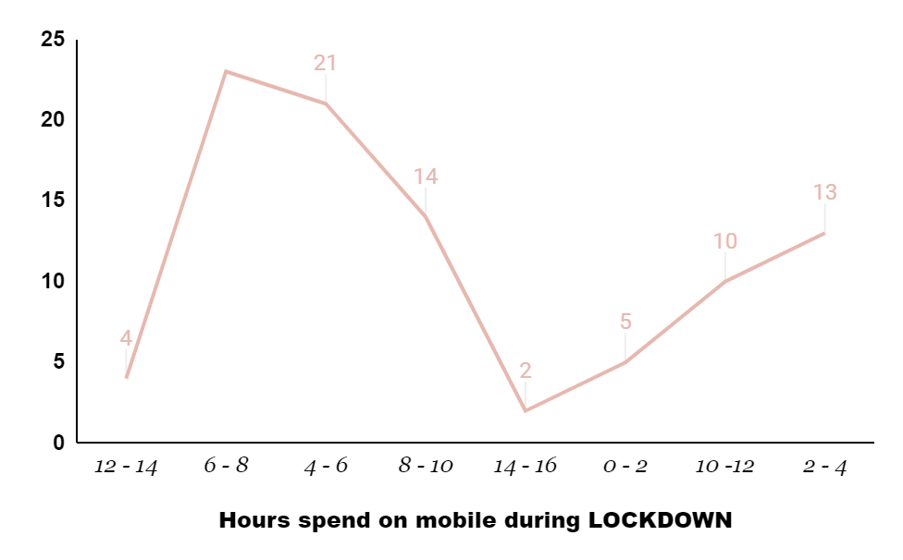
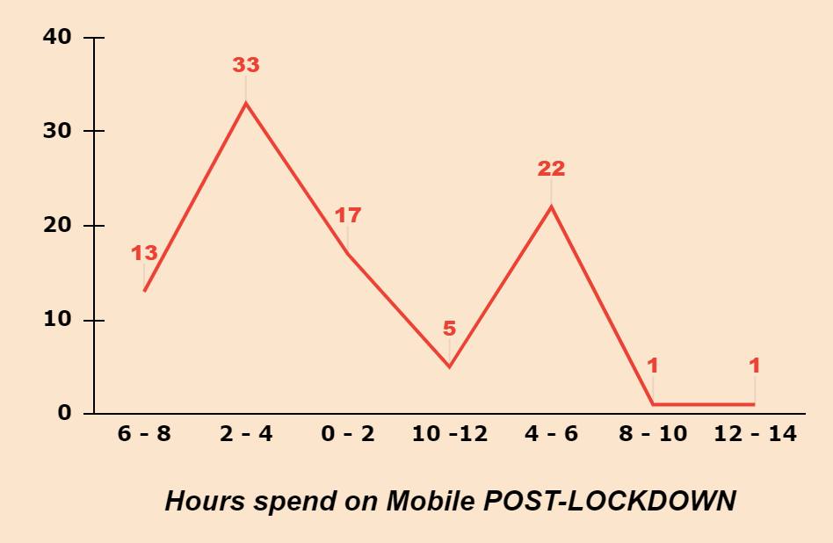
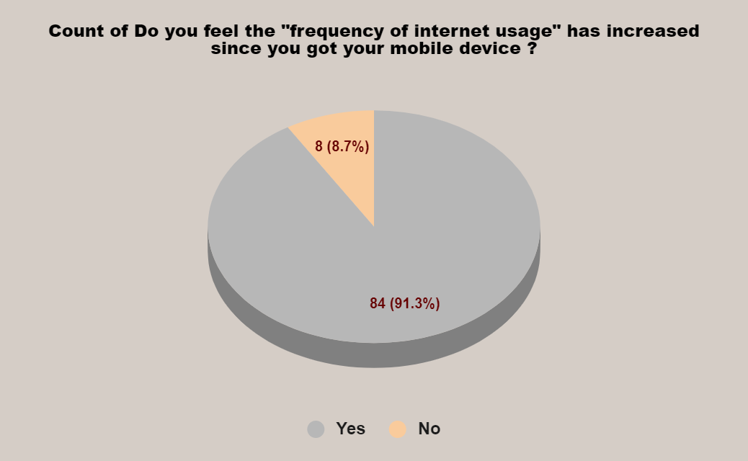
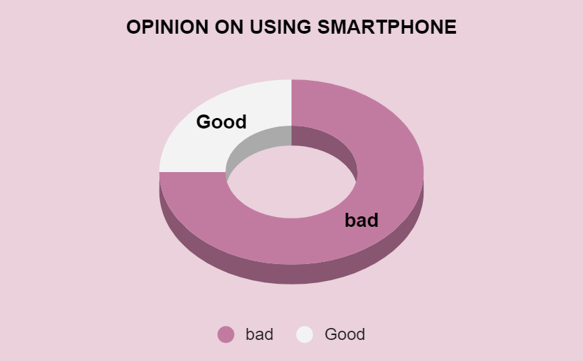

SELF STUDY HOURS
NO. OF HOURS SPEND ON MOBILR PHONE

 |  |  |  |  |  |  |  | 54 | 47 | 101
 |  |  |  |  |  |  |  | 30 | 34 | 64
 |  |  |  |  |  |  |  | 11 | 14 | 25
 |  |  |  | N.H.IN SELF STUDY | lockdown | post-lockdown | total | 2 | 3 | 5
N.H.M | lockdown | post-lockdown | total | 2- | 54% | 47% | 101% | 3 | 2 | 5
0-2 | 8% | 21% | 29% | 4- | 30% | 34% | 64%
2-4 | 13% | 34% | 47% | 6- | 11% | 14% | 25%
4-6 | 25% | 25% | 50% | 8- | 2% | 3% | 5%
6-8 | 24% | 13% | 37% | 10- | 3% | 2% | 5%
8-10 | 14% | 1% | 15% | total | 100% | 100% | 200%
10-12 | 10% | 5% | 15%
12-14 | 4% | 1% | 5%
14-16 | 2% | 0% | 2%
RATINGS
total | 100% | 100% | 200%

NO. OF HOURS SPENF IN LECTURES
 |  |  |  |  |  |  |  |  | 26 | 11
 |  |  |  | RATING | online lectures | offline lectures | total |  | 18 | 8
 |  |  |  | 1 | 26% | 11% | 37% |  | 28 | 14
N.H.ON LECTURE | online | offline | total | 2 | 18% | 8% | 26% |  | 17 | 41
2-4 | 39% | 42% | 81% | 3 | 28% | 14% | 42% |  | 11 | 26
4-6 | 37% | 34% | 71% | 4 | 17% | 41% | 58%
6-8 | 24% | 24% | 48% | 5 | 11% | 26% | 37%
total | 100% | 100% | 200% | total | 100% | 100% | 200%

